AQ
 | Lithium Battery Application Questionnaire |  |  |  |  |  |  |  |  |  |  |  |  | AQ

To enable Tadiran to provide the most appropriate solution to your battery requirement, kindly fill in this questionnaire with the maximum data you can provide. Your data will be treated with full confidentiality and be used only for optimizing our solution.

1. Project Information |  |  |  |  |  |  |  |  |  |  |  |  |  |  | Please fill out all mandatory fields marked with a red frame. These fields are essential for processing and validation.

Project Designation / Reference | Project Name / Reference |  |  |  |  |  |  |  |  |  |  |  | Date:

Project Description | Application/project description

 |  | Market Segment: |  |  |  |  |  | Application:

Company | Company Name

Contact Details | Given Name |  |  |  |  | Family Name |  |  |  |  |  | Phone

 | Title |  |  |  |  |  |  |  | Email

 | Address

 | City |  |  |  |  | State |  |  | ZIP/Postal Code |  |  | Country

Project Status | Project Status |  |  |  |  |  |  |  |  |  | Confidentiality:

Filled by | Choose

2. Device Operational Profile | All units can be modified using dropdown picklists

Electronics Operating Voltage Range: |  | Maximum |  | V | Nominal |  | V |  |  | Minimum (cut-off) |  | V
 |  |  |  |  |  |  |  |  |  |  |  |  |  |  | Electronics minimum voltage is a key parameter to design an optimal battery solution and is mandatory to fill in.

Storage before operation | Storage outside device |  |  |  | year |  |  |  |  |  |  |  | Storage inside device (device OFF) |  | year
 |  |  |  |  |  |  |  | Consumption in storage mode inside device |  |  |  |  |  | 0 | µA
 |  |  |  |  |  |  |  |  |  |  |  |  | Total consumption during storage | 0 | mAh
Expected Battery Operating Life: |  | year

Battery type | Choose |  |  |  | Mode: | Choose |  |  |  |  | Type of use: | Choose

Constant load in operation (background) |  | µA |  |  | Type of load: | Current Consumption |  |  |  |  |  |  |  |  |  |  | 0 |  |  | 0

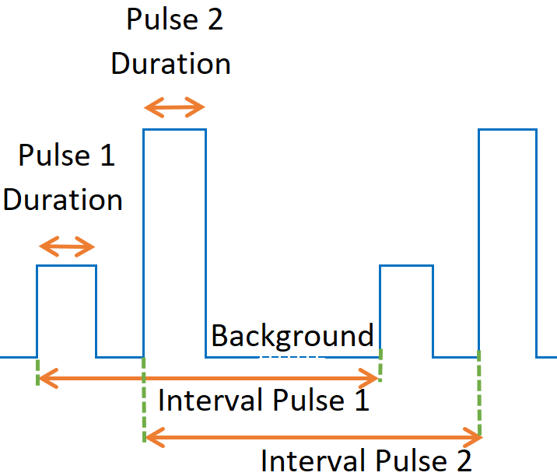
 | Load |  | Duration |  | Interval (Frequency) |  | Function |  | Peak consumption description* |  |  |  | Comment |  |  |  | Load mA/mW | Duration sec | Frequency, sec | Average, µ
Pulse #1 |  | mA |  | sec |  | hour |  |  |  | mA |  | msec |  |  |  |  | 0 | 0 | 0 | 0
Pulse #2 |  | mA |  | sec |  | hour |  |  |  | mA |  | msec |  |  |  |  | 0 | 0 | 0 | 0
Pulse #3 |  | mA |  | sec |  | hour |  |  |  | mA |  | msec |  |  |  |  | 0 | 0 | 0 | 0
Pulse #4 |  | mA |  | sec |  | hour |  |  |  | mA |  | msec |  |  |  |  | 0 | 0 | 0 | 0
Pulse #5 |  | mA |  | sec |  | hour |  |  |  | mA |  | msec |  |  |  |  | 0 | 0 | 0 | 0
Pulse #6 |  | mA |  | sec |  | hour |  |  |  | mA |  | msec |  |  |  |  | 0 | 0 | 0 | 0
Pulse #7 |  | mA |  | sec |  | hour |  |  |  | mA |  | msec |  |  |  |  | 0 | 0 | 0 | 0
Pulse #8 |  | mA |  | sec |  | hour |  |  |  | mA |  | msec |  |  |  |  | 0 | 0 | 0 | 0
Pulse #9 |  | mA |  | sec |  | hour |  |  |  | mA |  | msec |  |  |  |  | 0 | 0 | 0 | 0
Pulse #10 |  | mA |  | sec |  | hour |  |  |  | mA |  | msec |  |  |  |  | 0 | 0 | 0 | 0
 | *If current is not constant during pulse, please specify information about max current and its duration. Please detail if pulses can overlap of go one after another. In case of a complicated profile, please attach a waveform or provide additional information in Section 6.
 |  |  |  | Average battery discharge rate | 0 | µA
 |  |  |  | Consumption during operating life | 0 | mAh |  |  |  |  |  | Battery type expected by the customer
 |  |  |  | Total net required capacity | 0.0 | Ah |  |  |  |  |  | Battery capacity expected by the customer |  |  | Ah
Rechargeable Battery

 |  | Units
Autonomy time |  | min
 | Choose

3. Environmental Requirements

Device Location | Location

Temperature conditions |  |  |  |  |  |  |  |  |  |  |  |  | Operating temperature is a key parameter to design an optimal battery solution and is mandatory to fill in.
at battery level (inside battery compartment) | Storage outside device |  |  |  |  | Operating Temperature (ON) |  |  |  |  | Typical temperature distribution in operation (percentage of time spent)
 | Maximum |  |  | °C |  | Maximum |  |  | °C
 | Average |  |  | °C |  | Average |  |  | °C
 | Minimum |  |  | °C |  | Minimum |  |  | °C |  | Average cond. |  |  | Hot conditions
 |  |  |  |  | Battery must survive hot conditions |  |  |  | no |  | -40 |  | % | -20 |  | -40 | -20
 | Storage inside device (OFF) |  |  |  |  |  |  |  |  |  | -20 |  | % | 0 |  | -20 | 0
 | Maximum |  |  | °C |  |  |  |  |  |  | 0 |  | % | 20 |  | 0 | 20
 | Average |  |  | °C |  |  |  |  |  |  | 20 |  | % | 40 |  | 20 | 40
 | Minimum |  |  | °C |  |  |  |  |  |  | 40 |  | % | 60 |  | 40 | 60
 |  |  |  |  |  |  |  |  |  |  | 60 |  | % | 70 |  | 60 | 70
 |  |  |  |  |  |  |  |  |  |  | 85 |  | % | 85 |  | 85 | 85

Applicable standards and certifications |  |  |  |  |  |  |  |  |  |  |  |  |  | ATEX

Special Conditions (humidity, shock, vibration, etc.)

4. Mechanical Properties

Maximum Available Dimensions | Length |  |  | Units
 | Width |  |  | Units
 | Height |  |  | Units
 | Diameter |  |  | Units

Battery Connection / Finishing requirements | Type |  | Unknown

 | Cell Tabbing

 | Wires Length |  |  | Units |  |  |  | Connector |  |  |  | Type / Reference

Weight | Max. weight |  |  | Units

5. Commercial Information
Quantity |  |  |  |  |  |  |  | Delivery
 |  | Total project quantity |  |  | pcs |  | From | year | till | year

 |  | First year |  |  | pcs |  | Year: | year
 |  | Annual Quantity |  |  | pcs |  | From year: | year

 |  | Prototypes |  |  | pcs |  | quarter | year
Alternative Battery
 |  | Type / Chemistry |  |  | Maker |  |  | Model

 |  | Target Price |  | Currency

How did you learn about Tadiran products?

6. Notes, comments and remarks

www.tadiranbat.com
www.tadiranbatteries.de |  |  |  |  |  |  |  |  |  |  |  |  |  | C.7b | LAT.001

Tabbing
